HT(lower-tail) sigma known
This is one of the examples we've used in our lecture:
The Federal Trade Commission (FTC) periodically conducts statistical studies designed to test
the claims that manufacturers make about their products. For example, the label on a large can
of Hilltop Coffee states that the can contains 3 pounds of coffee.
The FTC knows that Hilltop’s production process cannot place exactly 3 pounds of coffee in each can,
even if the mean filling weight for the population of all cans filled is 3 pounds per can. However,
as long as the population mean filling weight is at least 3 pounds per can, the rights of consumers
will be protected.
FTC checked Hilltop’s claim by selecting a sample of 36 cans of coffee (in column A) and used the sample mean to check if Hilltop had committed a label violation. We also assume that previous FTC tests show that the population standard deviation can be assumed known with a value of 𝜎 = 0.18. FTC also chose a value of 0.05 for the level of significance.
Null Hypothesis: μ >= 3
Alternative Hypothesis: μ < 3
where μ is the population mean filling weight per can
So, by using the sample data, should the null hypothesis be rejected?
Lower-Tail Hypotheses Test on Population Mean (population s.d. σ known)
Null Hypothesis: $μ$ >= 3
Alternative Hypothesis: $μ$ < 3
Weight
3.15
2.76
3.18
2.77
2.86
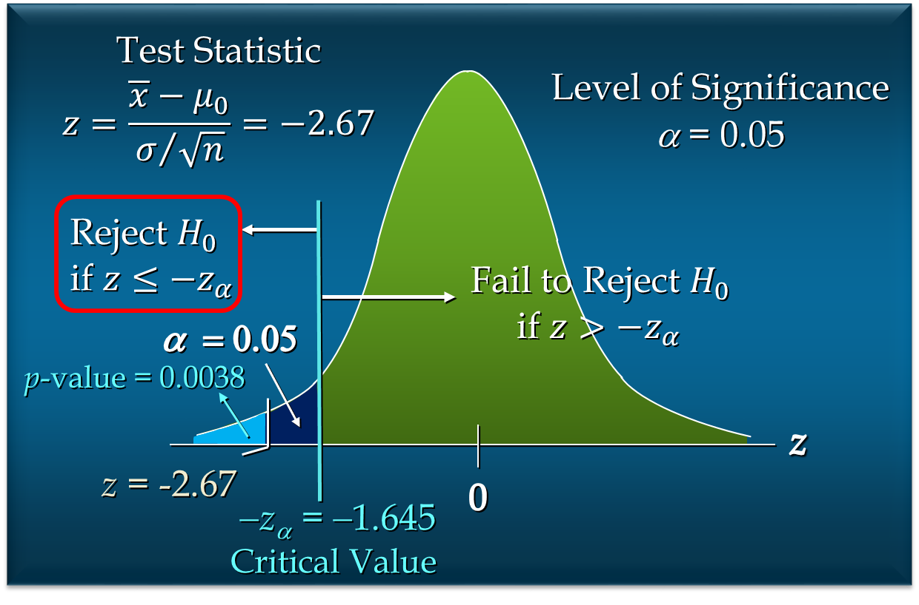
2.66
2.86
2.54
3.02
3.13 | p-value approach |  |  | Critical value approach
2.94
2.74
2.84 | Hypothesized Value (μ_0) | 3 |  | Hypothesized Value (μ_0) | 3
2.60 | Population s.d. (σ) | 0.18 |  | Population s.d. (σ) | 0.18
2.94 | Level of Significance (α) | 0.05 |  | Level of Significance (α) | 0.05
2.93 | Sample Size (n) | 36 |  | Sample Size (n) | 36
3.18 | Standard Error | 0.03 |  | Standard Error | 0.03
2.95 | Sample Mean | 2.92 |  | Sample Mean | 2.92
2.86 | Test Statistic (z) | -2.67 |  | Test Statistic (z) | -2.6666666667
2.91 | p-value | 0.0038303805676 |  | Critical Value (- z_α) | -1.644853627
2.96 | Reject or Fail to Reject | Reject |  | Reject or Fail to Reject | Reject
3.14
2.65
2.77
2.96
3.10
2.82
3.05
2.94
2.82
3.21
3.11 |  |  | SUMMARY OF HYPOTHESIS TESTS ABOUT A POPULATION MEAN:
2.90 |  |  | σ KNOWN CASE
3.05
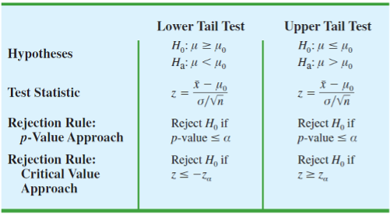
2.93
2.89

Exercise - Internet Bill
For the United States, the mean monthly Internet bill is $32.79 per household (CNBC, January 18, 2006). A sample of 49 households in a southern state showed a sample mean of $30.63. Assume the population standard deviation for the monthly Internet bill in the southern state is $5.60.
Formulate hypotheses for a test to determine whether the sample data support the conclusion that the mean monthly Internet bill in the southern state is less than the national mean of $32.79.
At 𝛼 = 0.01, what is your conclusion?

p-value approach |  | Critical value approach

Hypothesized Value (μ_0) | 32.79 | Hypothesized Value (μ_0) | 32.79
Population s.d. (σ) | 5.6 | Population s.d. (σ) | 5.6
Level of Significance (α) | 0.01 | Level of Significance (α) | 0.01
Sample Size (n) | 49 | Sample Size (n) | 49
Standard Error | 0.8 | Standard Error | 0.8
Sample Mean | 30.63 | Sample Mean | 30.63
Test Statistic (z) | -2.7 | Test Statistic (z) | -2.7
p-value | 0.003466973803 | Critical Value | -2.326347874
Reject or Fail to Reject | Reject | Reject or Fail to Reject

HT(upper-tail) sigma known
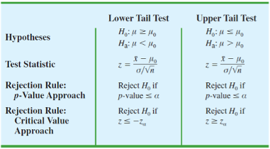
This is another example from our lecture:
An automobile that currently attains an average fuel efficiency of 24 miles per gallon (m/g) in city driving. A product research group has developed a new fuel injection system designed to increase the m/g rating. They look for statistical support for the conclusion that the new fuel injection system is more efficient.
Assume that 36 cars with the new system were collected and the sample mean efficiency was 27 m/g. The population standard deviation can be assumed known with a value of 𝜎 = 6 m/g. The level of significance was chosen to be 0.01.
So, is the new system more efficient?
Null Hypothesis: μ <= 24
Alternative Hypothesis: μ > 24
where μ is the population average fuel efficiency
Upper-Tail Hypotheses Test on Population Mean (population s.d. σ known)
Null Hypothesis: $μ$ <= 24
Alternative Hypothesis: $μ$ > 24

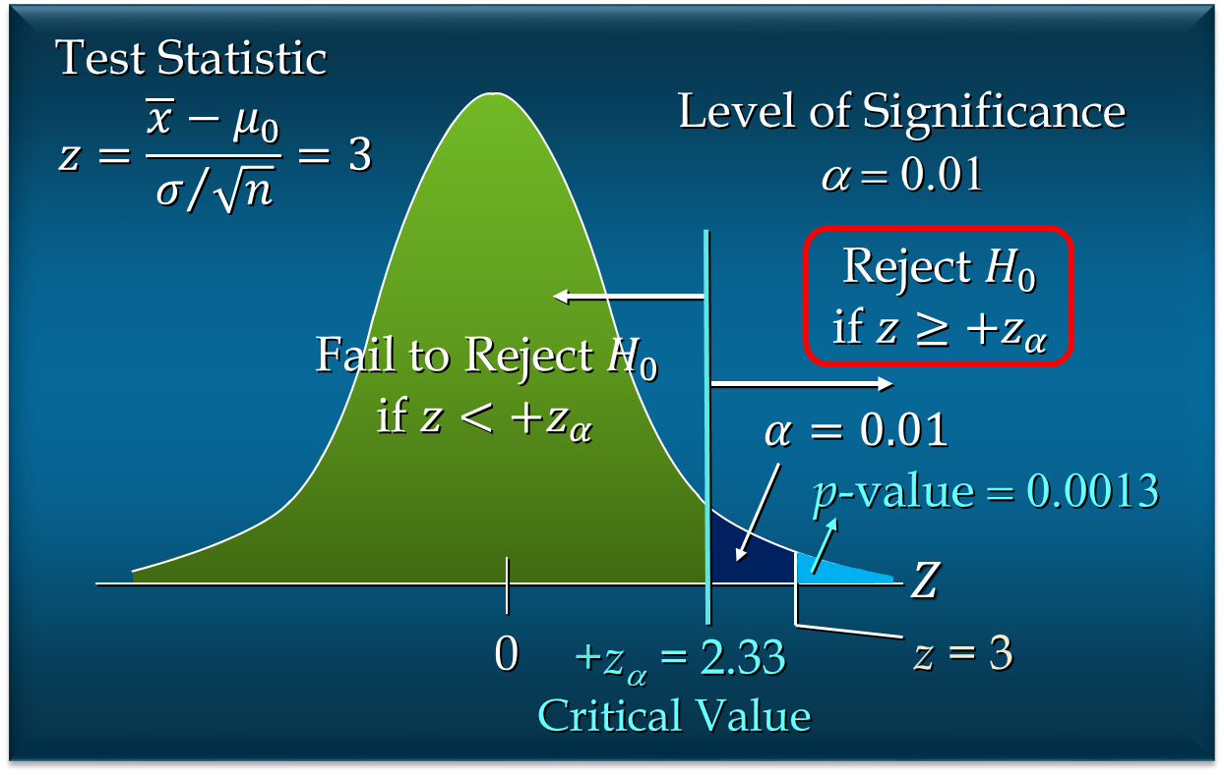

p-value approach |  |  | Critical value approch

Hypothesized Value (μ_0) | 24 |  | Hypothesized Value (μ_0) | 24
Population s.d. (σ) | 6 |  | Population s.d. (σ) | 6
Level of Significance (α) | 0.01 |  | Level of Significance (α) | 0.01
Sample Size (n) | 36 |  | Sample Size (n) | 36
Standard Error | 1 |  | Standard Error | 1
Sample Mean | 27 |  | Sample Mean | 27
Test Statistic (z) | 3 |  | Test Statistic (z) | 3
p-value | 0.0013498980316 |  | Critical Value (z_α) | 2.326347874
Reject or Fail to Reject | Reject |  | Reject or Fail to Reject | REJECT

 |  | SUMMARY OF HYPOTHESIS TESTS ABOUT A POPULATION MEAN:
 |  | σ KNOWN CASE

Exercise - Playbill
Playbill is a magazine distributed around the country to people attending musicals and other theatrical productions. The mean annual household income for the population of Playbill readers is $119,155 (Playbill, January 2006). Assume the population standard deviation is $20,700.
A San Francisco civic group has asserted that the mean for theatergoers in the Bay Area is higher. A sample of 64 theater attendees in the Bay Area showed a sample mean annual household income of $126,100.
Develop hypotheses that can be used to determine whether the sample data support the conclusion that theater attendees in the Bay Area have a higher mean household income than that for all Playbill readers.
Use 1% as the level of significance. What is your conclusion?

p-value approach |  | Critical value approach

Hypothesized Value (μ_0) | 119155 | Hypothesized Value (μ_0) | 119155
Population s.d. (σ) | 20700 | Population s.d. (σ) | 20700
Level of Significance (α) | 0.01 | Level of Significance (α) | 0.01
Sample Size (n) | 64 | Sample Size (n) | 64
Standard Error | 2587.5 | Standard Error | 2587.5
Sample Mean | 126100 | Sample Mean | 126100
Test Statistic (z) | 2.684057971 | Test Statistic (z) | 2.684057971
p-value | 0.0036367246612 | Critical Value | 2.326347874
Reject or Fail to Reject | REJECT | Reject or Fail to Reject | REJECT

HT(two-tail) sigma known
Another example from the lecture:
The U.S. Golf Association (USGA) establishes rules that manufacturers of golf equipment must meet if their products are to be acceptable for use in USGA events. MaxFlight uses a high-technology manufacturing process to produce golf balls with a mean driving distance of 295 yards.
Sometimes, however, the process gets out of adjustment and produces golf balls with a mean driving distance different from 295 yards. When the mean distance falls below 295 yards, the company worries about losing sales because the golf balls do not provide as much distance as advertised. When the mean distance passes 295 yards, MaxFlight’s golf balls may be rejected by the USGA.
MaxFlight’s quality control program involves taking periodic samples of 50 golf balls to monitor the manufacturing process. For each sample, a hypothesis test is conducted to determine whether the process has fallen out of adjustment.
The quality control team selected 𝛼=0.05 as the level of significance for the test. Data from previous tests conducted when the process was known to be in adjustment show that the population standard deviation can be assumed known with a value of 𝜎=12.
Suppose that a sample of 50 golf balls is selected and that the sample mean is 297.6 yards. Should we reject the null hypotheses that the golf balls being produced have a mean distance of 295 yards and take action to adjust the manufacturing process?
Two-Tail Hypotheses Test on Population Mean (population s.d. σ known)
Null Hypothesis: $μ$ = 295
Alternative Hypothesis: $μ$ $≠$ 295

Confidence Interval Approach

Hypothesized Value (μ_0) | 295 |  | calc
Level of Significance (α) | 0.05 | z | 1.5320646926
Population s.d. (σ) | 12
Sample Size (n) | 50 | stand err | 1.6970562748
Sample Mean | 297.6 | z a/2 | -1.96 | P | 0.025
 |  | neg z a/2 | 1.96 | P- | 0.975

Margin of Error | 3.3262302987
Lower Confience Limit | 294.2737697
Upper Confience Limit | 300.9262303
Reject or Fail to Reject | fail

Exercise - Mutual Funds
The average annual total return for U.S. Diversified Equity mutual funds from 1999 to 2003 was 4.1% (BusinessWeek, January 26, 2004). A researcher would like to conduct a hypothesis test to see whether the returns for mid-cap growth funds over the same period are significantly different from the average for U.S. Diversified Equity funds.
Formulate the hypotheses that can be used to determine whether the mean annual return for mid-cap growth funds differ from the mean for U.S. Diversified Equity funds.
A sample of 36 mid-cap growth funds provides a mean return of 3.4%. Assume the population standard deviation for mid-cap growth funds is known from previous studies to be σ = 2%. At α = 0.05, what is your conclusion?

Confidence Interval Approach |  | h0 μ_0 = 0.041
 |  | h1 μ_1 != 0.041
 |  |  | Calc
Hypothesized Value (μ_0) | 0.041 | P | 0.025 | z a/2 | 1.96
Level of Significance (α) | 0.05
Population s.d. (σ) | 0.02
Sample Size (n) | 36
Sample Mean | 0.034

Margin of Error | 0.006533333
Lower Confience Limit | 0.027466667
Upper Confience Limit | 0.040533333
Reject or Fail to Reject | reject

